Chi-Square
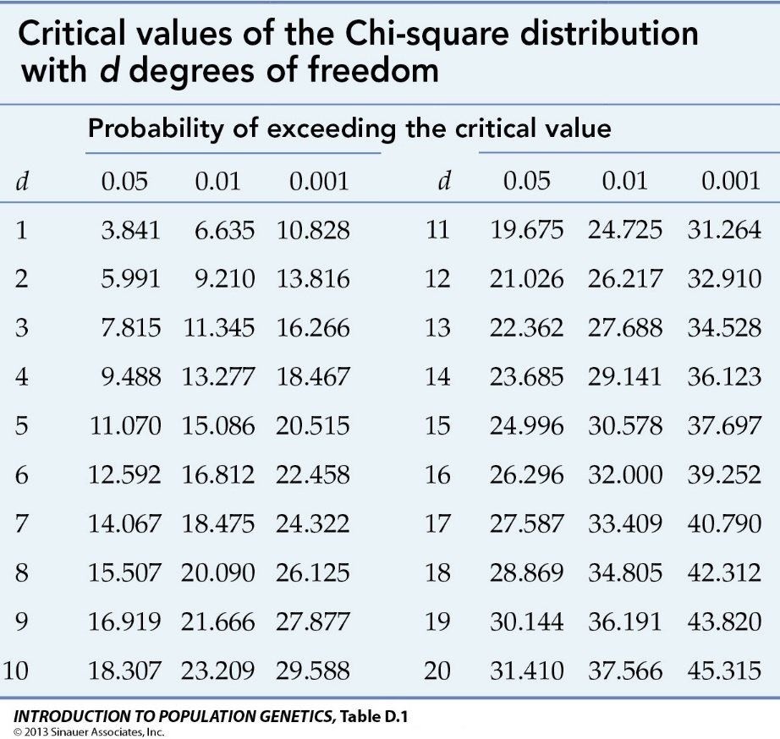
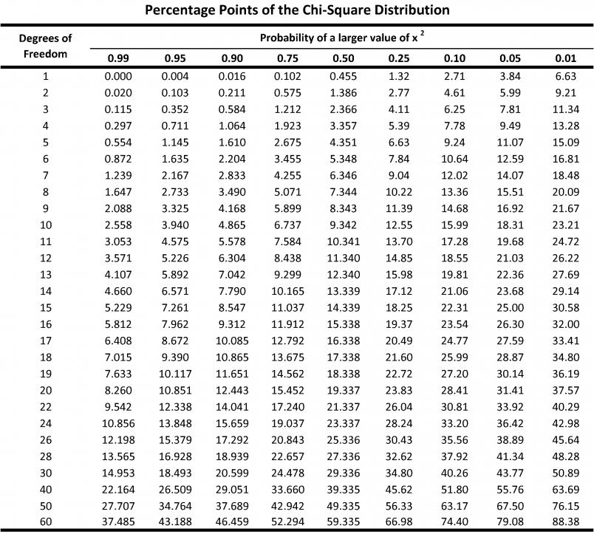
Observed matrix | Column1 | Maths | Science | Total | No of Rows | 2
 | Male | 250 | 200 | 450 | No of Columns | 2
 | Female | 50 | 1000 | 1050
 | Total | 300 | 1200 | 1500 | Degree of Freedom | 1

Creating Expected matrix
(total of row*total of column)/Total Total | Column1 | Maths | Science
 | Male | 90 | 360
 | Female | 210 | 840

(O-E)^2/E | Column1 | Maths | Science
 | Male | 284.44444444 | 71.111111111
 | Female | 121.9047619 | 30.476190476
$$χ^{2}=\sum{\frac{(Observed−Expected)^{2}}{Expected}}$$
 |  |  | Chi-Square | 507.93650794

 |  | p-test | If Chi-Square value is > Critical value of Table then variables are co-related and we will reject the Null hypotesis(i.e. Variable are not corelated).

Covariance, Correlation
Xmean | Ymean | Numerator | Denominator | Standard_Deviation(x)(Sample) | Standard_Deviation(y)(Sample) | Covariance (x,y) (Sample) | corr(x,y)
10.2 | 11.2 | 72.8 | 4 | 4.3243496621 | 5.0695167423 | 18.2 | 0.83020247364
 |  |  |  |  |  |  |  |  |  |  | i
 |  |  |  |  |  |  |  |  |  | Values | 1 | 2 | 3 | 4 | 5 | Grand Total
X | Y | Xi - Xmean | Yi - Ymean | (Xi - Xmean)(Yi - Ymean) | (Xi - Xmean)^2 | (Yi - Ymean)^2 | i | Xmean | Ymean | X | 10 | 11 | 3 | 13 | 14 | 51
10 | 8 | 0.2 | 3.2 | 0.64 | 0.04 | 10.24 | 1 | 10.2 | 11.2 | Y | 8 | 9 | 6 | 15 | 18 | 56
11 | 9 | -0.8 | 2.2 | -1.76 | 0.64 | 4.84 | 2 | 10.2 | 11.2 | Xmean | 10.2 | 10.2 | 10.2 | 10.2 | 10.2 | 51
3 | 6 | 7.2 | 5.2 | 37.44 | 51.84 | 27.04 | 3 | 10.2 | 11.2 | Ymean | 11.2 | 11.2 | 11.2 | 11.2 | 11.2 | 56
13 | 15 | -2.8 | -3.8 | 10.64 | 7.84 | 14.44 | 4 | 10.2 | 11.2 | Xi - Xmean | 0.2 | -0.8 | 7.2 | -2.8 | -3.8 | -3.5527136788E-15
14 | 18 | -3.8 | -6.8 | 25.84 | 14.44 | 46.24 | 5 | 10.2 | 11.2 | Yi - Ymean | 3.2 | 2.2 | 5.2 | -3.8 | -6.8 | -3.5527136788E-15
 |  |  |  |  |  |  |  |  |  | (Xi - Xmean)^2 | 0.04 | 0.64 | 51.84 | 7.84 | 14.44 | 74.8
 |  |  |  |  |  |  |  |  |  | (Yi - Ymean)^2 | 10.24 | 4.84 | 27.04 | 14.44 | 46.24 | 102.8
 |  |  |  |  |  |  |  |  |  | (Xi - Xmean)(Yi - Ymean) | 0.64 | -1.76 | 37.44 | 10.64 | 25.84 | 72.8

$$corr\left(x,y\right)=\frac{covariance(x,y)}{standard_deviation (x)∗standard_deviation\left(y\right)}=\frac{S_{xy}}{S_{x}S_{y}}$$
 |  |  |  |  |  |  | Refresh the pivot on right->

$$covariance\left(x,y\right)=s_{xy}=\frac{1}{n−1}\sum_{i=1}^{n}{\left(x_{i}−\overline{x}\right)\left(y_{i}−\overline{y}\right)}$$
 |  |  |  |  | Formulae have been fixed. Using Sample instead of Population for all measurements i.e. (n-1) instead n

$$standard_{deviation}\left(x\right)=s_{x}=\sqrt{\frac{1}{n−1}\sum_{i=1}^{n}{{\left(x_{i}−\overline{x}\right)}^{2}}}$$

 |  |  |  |  |  |  |  |  |  | n= | 5

 |  |  |  |  |  |  |  |  |  | Covariance (x,y)= | 1/4 * 72.8 | =18.2

 |  |  |  |  |  |  |  |  |  | Std dev (x)= | sqrt(1/4 * 74.8)
 |  |  |  |  |  |  |  |  |  | = | 4.3243496621

 |  |  |  |  |  |  |  |  |  | Std dev(y)= | sqrt(1/4 * 102.8)
 |  |  |  |  |  |  |  |  |  | = | 5.0695167423

 |  |  |  |  |  |  |  |  |  | Correlation (x,y)= | 0.83020247364

Outlier DB Scan
Input Data Matrix |  |  |  |  | Applicable Points | pi*r
Populate these two fields for Distance Based Outlier Detection | Distance Threshold (r) | 2.5 |  |  | 10 | 2
 | Fraction Threshold (pi) | 0.8
 |  |  |  |  | Parameter (r) | Name
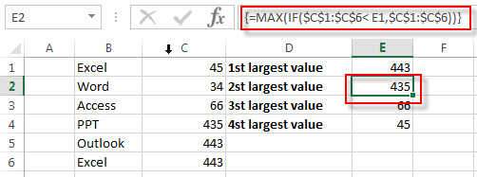
Populate this field for L1, L2, L3 Distances (refer table on right) | Parameter (r) | 1 |  |  | 1 | Manhattan/L1 Norm/City Block |  |  |  |  |  |  |  |  |  |  | Supremum is independent of Parameter (r)
 |  |  |  |  | 2 | Euclidean/L2 Norm
 |  |  |  |  | 3 | L3 Norm
kth Nearest Neibhour | k | 3 |  |  | 4 | L4 Norm

$$Supremum (L_{max} or L_{∞} norm)$$
 |  |  |  |  | Manhattan/L1 Norm/City Block
Point | Variable1 | Variable2 | Variable3 | Variable4 | Point | 1 | 2 | 3 | 4 | 5 | 6 | 7 | 8 | 9 | 10 |  | Point | 1 | 2 | 3 | 4 | 5 | 6 | 7 | 8 | 9 | 10
1 | 0 | 2 |  |  | 1 | 0.00 | 2.00 | 4.00 | 1.00 | 3.00 | 1.00 | 0.00 | 5.00 | 2.00 | 2.00 |  | 1 | 0.00 | 1.00 | 3.00 | 1.00 | 2.00 | 1.00 | 0.00 | 3.00 | 2.00 | 2.00
2 | 1 | 1 |  |  | 2 | 2.00 | 0.00 | 4.00 | 1.00 | 1.00 | 1.00 | 2.00 | 5.00 | 2.00 | 2.00 |  | 2 | 1.00 | 0.00 | 2.00 | 1.00 | 1.00 | 1.00 | 1.00 | 3.00 | 1.00 | 1.00
3 | 3 | 3 |  |  | 3 | 4.00 | 4.00 | 0.00 | 3.00 | 3.00 | 5.00 | 4.00 | 1.00 | 2.00 | 6.00 |  | 3 | 3.00 | 2.00 | 0.00 | 2.00 | 2.00 | 3.00 | 3.00 | 1.00 | 1.00 | 3.00
4 | 1 | 2 |  |  | 4 | 1.00 | 1.00 | 3.00 | 0.00 | 2.00 | 2.00 | 1.00 | 4.00 | 1.00 | 3.00 |  | 4 | 1.00 | 1.00 | 2.00 | 0.00 | 1.00 | 1.00 | 1.00 | 2.00 | 1.00 | 2.00
5 | 2 | 1 |  |  | 5 | 3.00 | 1.00 | 3.00 | 2.00 | 0.00 | 2.00 | 3.00 | 4.00 | 1.00 | 3.00 |  | 5 | 2.00 | 1.00 | 2.00 | 1.00 | 0.00 | 2.00 | 2.00 | 3.00 | 1.00 | 2.00
6 | 0 | 1 |  |  | 6 | 1.00 | 1.00 | 5.00 | 2.00 | 2.00 | 0.00 | 1.00 | 6.00 | 3.00 | 1.00 |  | 6 | 1.00 | 1.00 | 3.00 | 1.00 | 2.00 | 0.00 | 1.00 | 3.00 | 2.00 | 1.00
7 | 0 | 2 |  |  | 7 | 0.00 | 2.00 | 4.00 | 1.00 | 3.00 | 1.00 | 0.00 | 5.00 | 2.00 | 2.00 |  | 7 | 0.00 | 1.00 | 3.00 | 1.00 | 2.00 | 1.00 | 0.00 | 3.00 | 2.00 | 2.00
8 | 3 | 4 |  |  | 8 | 5.00 | 5.00 | 1.00 | 4.00 | 4.00 | 6.00 | 5.00 | 0.00 | 3.00 | 7.00 |  | 8 | 3.00 | 3.00 | 1.00 | 2.00 | 3.00 | 3.00 | 3.00 | 0.00 | 2.00 | 4.00
9 | 2 | 2 |  |  | 9 | 2.00 | 2.00 | 2.00 | 1.00 | 1.00 | 3.00 | 2.00 | 3.00 | 0.00 | 4.00 |  | 9 | 2.00 | 1.00 | 1.00 | 1.00 | 1.00 | 2.00 | 2.00 | 2.00 | 0.00 | 2.00
10 | 0 | 0 |  |  | 10 | 2.00 | 2.00 | 6.00 | 3.00 | 3.00 | 1.00 | 2.00 | 7.00 | 4.00 | 0.00 |  | 10 | 2.00 | 1.00 | 3.00 | 2.00 | 2.00 | 1.00 | 2.00 | 4.00 | 2.00 | 0.00

Please do not insert more rows or columns

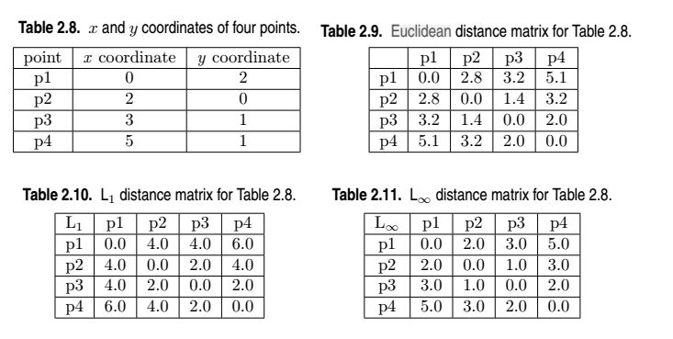

 |  |  |  |  | Replacing Diagonal with NA | 1 | 2 | 3 | 4 | 5 | 6 | 7 | 8 | 9 | 10
 |  |  |  |  | 1 | NA | 2.0 | 4.0 | 1.0 | 3.0 | 1.0 | 0.0 | 5.0 | 2.0 | 2.0
 |  |  |  |  | 2 | 2.0 | NA | 4.0 | 1.0 | 1.0 | 1.0 | 2.0 | 5.0 | 2.0 | 2.0
 |  |  |  |  | 3 | 4.0 | 4.0 | NA | 3.0 | 3.0 | 5.0 | 4.0 | 1.0 | 2.0 | 6.0
 |  |  |  |  | 4 | 1.0 | 1.0 | 3.0 | NA | 2.0 | 2.0 | 1.0 | 4.0 | 1.0 | 3.0
 |  |  |  |  | 5 | 3.0 | 1.0 | 3.0 | 2.0 | NA | 2.0 | 3.0 | 4.0 | 1.0 | 3.0
 |  |  |  |  | 6 | 1.0 | 1.0 | 5.0 | 2.0 | 2.0 | NA | 1.0 | 6.0 | 3.0 | 1.0
 |  |  |  |  | 7 | 0.0 | 2.0 | 4.0 | 1.0 | 3.0 | 1.0 | NA | 5.0 | 2.0 | 2.0
 |  |  |  |  | 8 | 5.0 | 5.0 | 1.0 | 4.0 | 4.0 | 6.0 | 5.0 | NA | 3.0 | 7.0
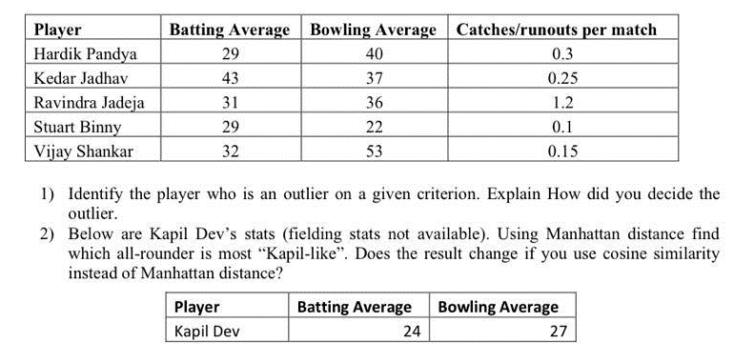
 |  |  |  |  | 9 | 2.0 | 2.0 | 2.0 | 1.0 | 1.0 | 3.0 | 2.0 | 3.0 | NA | 4.0
 |  |  |  |  | 10 | 2.0 | 2.0 | 6.0 | 3.0 | 3.0 | 1.0 | 2.0 | 7.0 | 4.0 | NA
$$Supremum (L_{max} or L_{∞} norm)$$
 |  |  |  |  | Ranking Each Distance | 1 | 2 | 3 | 4 | 5 | 6 | 7 | 8 | 9 | 10 | Dummy S No.
 |  |  |  |  | 1 | NA | 4 | 5 | 1 | 5 | 1 | 1 | 5 | 3 | 2 | 1
 |  |  |  |  | 2 | 4 | NA | 6 | 2 | 1 | 2 | 4 | 6 | 4 | 3 | 2
 |  |  |  |  | 3 | 8 | 8 | NA | 7 | 6 | 8 | 8 | 1 | 5 | 8 | 3
 |  |  |  |  | 4 | 2 | 1 | 3 | NA | 3 | 5 | 2 | 3 | 1 | 5 | 4
 |  |  |  |  | 5 | 7 | 2 | 4 | 5 | NA | 6 | 7 | 4 | 2 | 6 | 5
 |  |  |  |  | 6 | 3 | 3 | 8 | 6 | 4 | NA | 3 | 8 | 7 | 1 | 6
 |  |  |  |  | 7 | 1 | 5 | 7 | 3 | 7 | 3 | NA | 7 | 6 | 4 | 7
 |  |  |  |  | 8 | 9 | 9 | 1 | 9 | 9 | 9 | 9 | NA | 8 | 9 | 8
 |  |  |  |  | 9 | 5 | 6 | 2 | 4 | 2 | 7 | 5 | 2 | NA | 7 | 9
 |  |  |  |  | 10 | 6 | 7 | 9 | 8 | 8 | 4 | 6 | 9 | 9 | NA | 10
$$Supremum (L_{max} or L_{∞} norm)$$
 |  |  |  |  | Kth-Neighbour's Distance | 1 | 2 | 3 | 4 | 5 | 6 | 7 | 8 | 9 | 10
 |  |  |  |  | 1 | 0.0 | 1.0 | 1.0 | 1.0 | 1.0 | 1.0 | 0.0 | 1.0 | 1.0 | 1.0
 |  |  |  |  | 2 | 1.0 | 1.0 | 2.0 | 1.0 | 1.0 | 1.0 | 1.0 | 3.0 | 1.0 | 2.0
 |  |  |  |  | 3 | 1.0 | 1.0 | 3.0 | 1.0 | 2.0 | 1.0 | 1.0 | 4.0 | 2.0 | 2.0
 |  |  |  |  | 4 | 2.0 | 2.0 | 3.0 | 1.0 | 2.0 | 1.0 | 2.0 | 4.0 | 2.0 | 2.0
 |  |  |  |  | 5 | 2.0 | 2.0 | 4.0 | 2.0 | 3.0 | 2.0 | 2.0 | 5.0 | 2.0 | 3.0
 |  |  |  |  | 6 | 2.0 | 2.0 | 4.0 | 2.0 | 3.0 | 2.0 | 2.0 | 5.0 | 2.0 | 3.0
 |  |  |  |  | 7 | 3.0 | 2.0 | 4.0 | 3.0 | 3.0 | 3.0 | 3.0 | 5.0 | 3.0 | 4.0
 |  |  |  |  | 8 | 4.0 | 4.0 | 5.0 | 3.0 | 3.0 | 5.0 | 4.0 | 6.0 | 3.0 | 6.0
 |  |  |  |  | 9 | 5.0 | 5.0 | 6.0 | 4.0 | 4.0 | 6.0 | 5.0 | 7.0 | 4.0 | 7.0
 |  |  |  |  | 10
$$Supremum (L_{max} or L_{∞} norm)$$
 |  |  |  |  | Neighbours Within Radius | 1 | 2 | 3 | 4 | 5 | 6 | 7 | 8 | 9 | 10
 |  |  |  |  | 1 | 1.0 | 3.0 | 1.0 | 4.0 | 2.0 | 4.0 | 1.0 | 1.0 | 2.0 | 1.0
 |  |  |  |  | 2 | 3.0 | 3.0 | 2.0 | 4.0 | 2.0 | 4.0 | 3.0 | 2.0 | 2.0 | 4.0
 |  |  |  |  | 3 | 3.0 | 3.0 | 4.0 | 4.0 | 4.0 | 4.0 | 3.0 | 4.0 | 6.0 | 4.0
 |  |  |  |  | 4 | 6.0 | 7.0 | 4.0 | 4.0 | 4.0 | 4.0 | 6.0 | 4.0 | 6.0 | 4.0
 |  |  |  |  | 5 | 6.0 | 7.0 | 7.0 | 6.0 | 8.0 | 6.0 | 6.0 | 7.0 | 6.0 | 6.0
 |  |  |  |  | 6 | 6.0 | 7.0 | 7.0 | 6.0 | 8.0 | 6.0 | 6.0 | 7.0 | 6.0 | 6.0
 |  |  |  |  | 7 | 7.0 | 7.0 | 7.0 | 8.0 | 8.0 | 7.0 | 7.0 | 7.0 | 8.0 | 7.0
 |  |  |  |  | 8 | 8.0 | 8.0 | 8.0 | 8.0 | 8.0 | 8.0 | 8.0 | 8.0 | 8.0 | 8.0
 |  |  |  |  | 9 | 9.0 | 9.0 | 9.0 | 9.0 | 9.0 | 9.0 | 9.0 | 9.0 | 9.0 | 9.0
 |  |  |  |  | 10 | 0.0 | 0.0 | 0.0 | 0.0 | 0.0 | 0.0 | 0.0 | 0.0 | 0.0 | 0.0

L1, L2 Distance, Outlier
Input Data Matrix |  |  |  |  | Applicable Points | pi*r
Populate these two fields for Distance Based Outlier Detection | Distance Threshold (r) | 2.5 |  |  | 7 | 5
 | Fraction Threshold (pi) | 2

Populate this field for L1, L2, L3 Distances (refer table below) | Parameter (r) | 2 |  |  |  |  |  |  |  |  |  |  |  |  |  | Supremum is independent of Parameter (r)

$$Supremum (L_{max} or L_{∞} norm)$$
 |  |  |  |  | Euclidean/L2 Norm
Point | Variable1 | Variable2 | Variable3 | Variable4 | Point | 1 | 2 | 3 | 4 | 5 | 6 | 7 | 8 | 9 | 10 | Point | 1 | 2 | 3 | 4 | 5 | 6 | 7 | 8 | 9 | 10
1 | 0 | 2 | 3 | 6 | 1 | 0.00 | 2.00 | 4.80 | 55.00 | 1.00 | 6.71 | 5.92 |  |  |  | 1 | 0.00 | 1.00 | 3.00 | 5.00 | 1.00 | 6.00 | 5.00
2 | 1 | 1 | 2 | 5 | 2 | 2.00 | 0.00 | 4.58 | 53.00 | 1.73 | 5.20 | 4.58 |  |  |  | 2 | 1.00 | 0.00 | 4.00 | 6.00 | 1.00 | 5.00 | 4.00
3 | 3 | 1 | 6 | 4 | 3 | 4.80 | 4.58 | 0.00 | 8.00 | 4.47 | 5.83 | 4.24 |  |  |  | 3 | 3.00 | 4.00 | 0.00 | 2.00 | 3.00 | 4.00 | 3.00
4 | 5 | 1 | 8 | 4 | 4 | 7.42 | 7.28 | 2.83 | 0.00 | 7.21 | 7.87 | 6.16 |  |  |  | 4 | 5.00 | 6.00 | 2.00 | 0.00 | 5.00 | 6.00 | 5.00
5 | 0 | 2 | 3 | 5 | 5 | 1.00 | 1.73 | 4.47 | 52.00 | 0.00 | 5.83 | 5.10 |  |  |  | 5 | 1.00 | 1.00 | 3.00 | 5.00 | 0.00 | 5.00 | 4.00
6 | 2 | 0 | 2 | 0 | 6 | 6.71 | 5.20 | 5.83 | 62.00 | 5.83 | 0.00 | 2.00 |  |  |  | 6 | 6.00 | 5.00 | 4.00 | 6.00 | 5.00 | 0.00 | 1.00
7 | 3 | 1 | 3 | 1 | 7 | 5.92 | 4.58 | 4.24 | 38.00 | 5.10 | 2.00 | 0.00 |  |  |  | 7 | 5.00 | 4.00 | 3.00 | 5.00 | 4.00 | 1.00 | 0.00
8 |  |  |  |  | 8 |  |  |  |  |  |  |  |  |  |  | 8
9 |  |  |  |  | 9 |  |  |  |  |  |  |  |  |  |  | 9
10 |  |  |  |  | 10 |  |  |  |  |  |  |  |  |  |  | 10

Please do not add more rows |  |  |  |  | Counting players who are far from each other
 |  |  |  |  | Point | 1 | 2 | 3 | 4 | 5 | 6 | 7 | 8 | 9 | 10
 |  |  |  |  | Distance Based Outlier - Point Count | 4 | 4 | 6 | 6 | 4 | 5 | 5 | 0 | 0 | 0

Parameter (r) | Name |  |  |  | Point | 1 | 2 | 3 | 4 | 5 | 6 | 7 | 8 | 9 | 10
1 | Manhattan/L1 Norm/City Block |  |  |  | Outlier |  |  | Outlier | Outlier
2 | Euclidean/L2 Norm
3 | L3 Norm
4 | L4 Norm

Cosine Similarity Multivariate
$$Cosine Similarity\cos\left(x,y\right)=\frac{x.y}{|\left|x\right||.|\left|y\right||}$$
$$Minkowski distance metrics d\left(x,y\right)={\left({\sum_{k=1}^{n}{\left|x_{k}−y_{k}\right|}}^{r}\right)}^{1∕r}$$
$$Cosine Similarity\cos\left(x,y\right)=\frac{∑{(x}_{i}∗y_{i})}{\sqrt{(x_{0}^{2}+x_{1}^{2}+…+x_{n}^{2})∗(y_{0}^{2}+y_{1}^{2}+…+y_{n}^{2}})}$$
Dimension | x | y | (x-y) | (x-y)^r | x.y | x^2 | y^2 | r | ∑(x-y)^r | Minkowski Distance | ∑(x.y) | ||x|| | ||y|| | Cosine Similarity
1 | 0 | 2 | 2 | 4 | 0 | 0 | 4 | 2 | 28 | 5.2915026221 | 8 | 6.164414003 | 2.4494897428 | 0.52981294283
2 | 2 | 0 | 2 | 4 | 0 | 4 | 0
3 | 3 | 1 | 2 | 4 | 3 | 9 | 1 | r is needed only for Minkowski distance, not for Cosine similarity
4 | 5 | 1 | 4 | 16 | 5 | 25 | 1

 |  |  |  |  |  |  |  |  |  |  |  |  |  |  |  | Column Labels |  |  |  |  |  |  | Column Labels
 |  |  |  |  |  |  |  |  |  |  |  |  |  |  | Cosine | 1 | 2 | 3 | 4 | Grand Total |  | Minkowski | 1 | 2 | 3 | 4 | Grand Total
 |  |  |  |  |  |  |  |  |  |  |  |  |  |  | x | 12 | 36 | 42 | 20 | 110 |  | x | 12 | 36 | 42 | 20 | 110
 |  |  |  |  |  |  |  |  |  |  |  |  |  |  | y | 17 | 35 | 43 | 26 | 121 |  | y | 17 | 35 | 43 | 26 | 121
 |  |  |  |  |  |  |  |  |  |  |  |  |  |  | x.y | 204 | 1260 | 1806 | 520 | 3790 |  | (x-y) | 5 | 1 | 1 | 6 | 13
 |  |  |  |  |  |  |  |  |  |  |  |  |  |  | x^2 | 144 | 1296 | 1764 | 400 | 3604 |  | (x-y)^r | 25 | 1 | 1 | 36 | 63
 |  |  |  |  |  |  |  |  |  |  |  |  |  |  | y^2 | 289 | 1225 | 1849 | 676 | 4039
TF*IDF Calculation
Document | Cryptography | Attack | Ciper | Encryption
D1 | 0.83 | 0.75 | 1.00 | 0.83 |  |  |  |  |  |  |  |  |  |  |  | Cos(x,y)= | 8
D2 | 1.00 | 0.56 | 0.67 | 0.83 |  |  |  |  |  |  |  |  |  |  |  |  | sqrt(3604*4039) |  |  |  | 𝑴𝒊𝒏𝒌𝒐𝒘𝒔𝒌𝒊 𝒅𝒊𝒔𝒕𝒂𝒏𝒄𝒆 𝒎𝒆𝒕𝒓𝒊𝒄𝒔 𝑑(𝑥,𝑦)= |  |  |  |  |  | (63)^1/2
D3 | 1.00 | 0.84 | 1.00 | 1.00 |  |  |  |  |  |  |  |  |  |  |  | = | 0.52981294283 |  |  |  |  |  |  |  |  | = | 5.2915026221
D4 | 1.00 | 1.12 | 1.00 | 1.00
 |  |  |  |  |  |  |  | Use this sheet when you only have 2 variables with up to four attributes
 |  |  |  |  |  |  |  | For more than 2 variables, use L1, L2 Distance sheet
 |  |  |  |  |  |  |  | L1, L2 Distance, Outlier '!A1 |  |  |  |  |  |  |  | Remember to refresh pivot tables.

Minkowski, Cosine
$$Cosine Similarity\cos\left(x,y\right)=\frac{x.y}{|\left|x\right||.|\left|y\right||}$$
$$Minkowski distance metrics d\left(x,y\right)={\left({\sum_{k=1}^{n}{\left|x_{k}−y_{k}\right|}}^{r}\right)}^{1∕r}$$
$$Cosine Similarity\cos\left(x,y\right)=\frac{∑{(x}_{i}∗y_{i})}{\sqrt{(x_{0}^{2}+x_{1}^{2}+…+x_{n}^{2})∗(y_{0}^{2}+y_{1}^{2}+…+y_{n}^{2}})}$$
Dimension | x | y | (x-y) | (x-y)^r | x.y | x^2 | y^2 | r | ∑(x-y)^r | Minkowski Distance | ∑(x.y) | ||x|| | ||y|| | Cosine Similarity
1 | 1 | 1 | 0 | 0 | 1 | 1 | 1 | 2 | 0.22533830449 | 0.47469811932 | 3.0186964936 | 1.576288854 | 1.943719306 | 0.9852582891
2 | 0.58804562953 | 0.88206844429 | 0.29402281476 | 0.086449415602 | 0.51869649361 | 0.34579766241 | 0.77804474042
3 | 0.66666666667 | 1 | 0.33333333333 | 0.11111111111 | 0.66666666667 | 0.44444444444 | 1 | r is needed only for Minkowski distance, not for Cosine similarity
4 | 0.83333333333 | 1 | 0.16666666667 | 0.027777777778 | 0.83333333333 | 0.69444444444 | 1

 |  |  |  |  |  |  |  |  |  |  |  |  |  |  |  | Column Labels |  |  |  |  |  |  | Column Labels
 |  |  |  |  |  |  |  |  |  |  |  |  |  |  | Cosine | 1 | 2 | 3 | 4 | Grand Total |  | Minkowski | 1 | 2 | 3 | 4 | Grand Total
 |  |  |  |  |  |  |  |  |  |  |  |  |  |  | x | 12 | 36 | 42 | 20 | 110 |  | x | 12 | 36 | 42 | 20 | 110
 |  |  |  |  |  |  |  |  |  |  |  |  |  |  | y | 17 | 35 | 43 | 26 | 121 |  | y | 17 | 35 | 43 | 26 | 121
 |  |  |  |  |  |  |  |  |  |  |  |  |  |  | x.y | 204 | 1260 | 1806 | 520 | 3790 |  | (x-y) | 5 | 1 | 1 | 6 | 13
 |  |  |  |  |  |  |  |  |  |  |  |  |  |  | x^2 | 144 | 1296 | 1764 | 400 | 3604 |  | (x-y)^r | 25 | 1 | 1 | 36 | 63
 |  |  |  |  |  |  |  |  |  |  |  |  |  |  | y^2 | 289 | 1225 | 1849 | 676 | 4039

 |  |  |  |  |  |  |  |  |  |  |  |  |  |  |  | Cos(x,y)= | 3.0186964936
 |  |  |  |  |  |  |  |  |  |  |  |  |  |  |  |  | sqrt(3604*4039) |  |  |  | 𝑴𝒊𝒏𝒌𝒐𝒘𝒔𝒌𝒊 𝒅𝒊𝒔𝒕𝒂𝒏𝒄𝒆 𝒎𝒆𝒕𝒓𝒊𝒄𝒔 𝑑(𝑥,𝑦)= |  |  |  |  |  | (63)^1/2
 |  |  |  |  |  |  |  |  |  |  |  |  |  |  |  | = | 0.9852582891 |  |  |  |  |  |  |  |  | = | 0.47469811932

 |  |  |  |  |  |  |  | Use this sheet when you only have 2 variables with up to four attributes
 |  |  |  |  |  |  |  | For more than 2 variables, use L1, L2 Distance sheet
 |  |  |  |  |  |  |  | L1, L2 Distance, Outlier '!A1 |  |  |  |  |  |  |  | Remember to refresh pivot tables.

ZScore v2
Mean | ∑(𝑣_𝑖−𝐴)^2 | 𝜎_𝐴^2 | 𝜎 (standard deviation
560 | 452,000 | 90400 | 300.67 |  |  |  | Column Labels
 |  |  |  |  |  | Values | 1 | 2 | 3 | 4 | 5 | Grand Total
i | vi | Mean A | vi-A | (vi-A)^2 | Normalized Value | vi | 100 | 400 | 600 | 700 | 1,000 | 2,800
1 | 100 | 560 | (460) | 211,600 | -1.53 | Mean A | 560 | 560 | 560 | 560 | 560 | 2,800
2 | 400 | 560 | (160) | 25,600 | -0.53 | vi-A | (460) | (160) | 40 | 140 | 440 | -
3 | 600 | 560 | 40 | 1,600 | 0.13 | Sum of (vi-A)^2 | 211,600 | 25,600 | 1,600 | 19,600 | 193,600 | 452,000
$$σ_{A}^{2}=\frac{1}{N}∗∑{\left(v_{i}−A\right)}^{2}$$
4 | 700 | 560 | 140 | 19,600 | 0.47
5 | 1,000 | 560 | 440 | 193,600 | 1.46

 |  |  |  |  |  |  | N= | 5

 |  |  |  |  |  |  | ∑(𝑣_𝑖−𝐴)^2 = | 452,000

 |  |  |  | Use the pivot table on right -> |  |  | 𝜎_𝐴^2 = | 90,400

 |  |  |  |  |  |  | 𝜎 (std deviation) = | 300.67
 |  |  |  |  |  |  | Mean = | 560

Min-Max, Z-Score
Min-Max Normalization |  |  |  |  |  |  |  |  |  |  |  | Z-Score (aka Zero-Mean) Normalization
Name | Marks | minA | maxA | new_minA | new_maxA | vi - min A | max A-min A | New Max A - New Min A | Normalized vi | Mean | Standard Deviation | vi | Normalized vi
Abhishek | 3 | 3 | 70 | 1 | 2 | - | 67 | 1 | 1.0 | 54,000 | 16,000 | 73,600 | 1.225
Ramesh | 4 | 3 | 70 | 1 | 2 | 1 | 67 | 1 | 1.0
Vinod | 4 | 3 | 70 | 1 | 2 | 1 | 67 | 1 | 1.0
Rahul | 7 | 3 | 70 | 1 | 2 | 4 | 67 | 1 | 1.1 | ^
Anu | 10 | 3 | 70 | 1 | 2 | 7 | 67 | 1 | 1.1 | Use this if Mean and Std Deviation are given directly. Otherwise, go to Zscore v2 to get these values
Kavita | 12 | 3 | 70 | 1 | 2 | 9 | 67 | 1 | 1.1 | ZScore v2'!A1
Latha | 15 | 3 | 70 | 1 | 2 | 12 | 67 | 1 | 1.17910
Pravin | 21 | 3 | 70 | 1 | 2 | 18 | 67 | 1 | 1.3
Sonu | 25 | 3 | 70 | 1 | 2 | 22 | 67 | 1 | 1.3
Sneha | 33 | 3 | 70 | 1 | 2 | 30 | 67 | 1 | 1.4
gda | 45 | 3 | 70 | 1 | 2 | 42 | 67 | 1 | 1.6
dadf | 48 | 3 | 70 | 1 | 2 | 45 | 67 | 1 | 1.7
df | 70 | 3 | 70 | 1 | 2 | 67 | 67 | 1 | 2.0
$$v_{i}^{′}= \frac{v_{i}−\min_{A} }{\max_{A}{−\min_{A}}}(new_\max_{A}{− new_\min_{A})+ new_min_{A}{}{} }$$

min A | 20
max A | 95

new Min A | 50
new Max A | 70

Max A - Min A | 75
New Max A - New Min A | 20

5 Point Summary
Min | Q1 | Median | Q3 | Max | IQR (Interquartile Range) | Range
14 | 33 | 35 | 40.5 | 99 | 7.5 | 85

Player | Batting | Q1-1.5IQR) | Q3+1.5IQR | Low Outlier | High Outlier
1 | 14 | 21.75 | 51.75 | TRUE | FALSE
2 | 25 | 21.75 | 51.75 | FALSE | FALSE
3 | 30 | 21.75 | 51.75 | FALSE | FALSE
4 | 33 | 21.75 | 51.75 | FALSE | FALSE
5 | 33 | 21.75 | 51.75 | FALSE | FALSE
6 | 35 | 21.75 | 51.75 | FALSE | FALSE
7 | 35 | 21.75 | 51.75 | FALSE | FALSE
8 | 35 | 21.75 | 51.75 | FALSE | FALSE
9 | 35 | 21.75 | 51.75 | FALSE | FALSE
10 | 36 | 21.75 | 51.75 | FALSE | FALSE
11 | 40 | 21.75 | 51.75 | FALSE | FALSE
12 | 41 | 21.75 | 51.75 | FALSE | FALSE
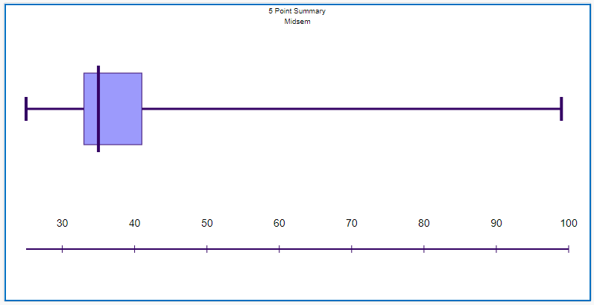
13 | 42 | 21.75 | 51.75 | FALSE | FALSE
14 | 42 | 21.75 | 51.75 | FALSE | FALSE
15 | 99 | 21.75 | 51.75 | FALSE | TRUE
35
99
25

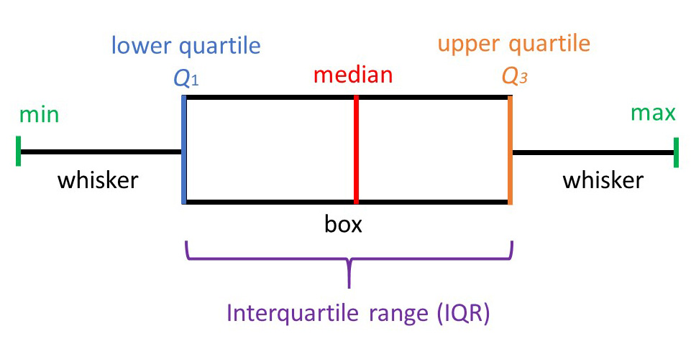
33
40.5

Linear Regression Line
$$To find the Linear Regression Line \\ y=a+bx$$
$$a=\frac{\left(∑y\right)\left(∑x^{2}\right)−(∑x)(∑xy)}{n∗\left(∑x^{2}\right)−{\left(∑x\right)}^{2}}$$
$$b=\frac{n∗\left(∑xy\right)−(∑x)(∑y)}{n∗\left(∑x^{2}\right)−{\left(∑x\right)}^{2}}$$
Dimension | Area | Rent | x.y | x^2 | y^2 | ∑𝑥 | ∑y | ∑𝑥y | ∑𝑥^2 | ∑y^2 | n | a | b
1 | 172 | 42 | 7224 | 29584 | 1764 | 871 | 213 | 37,460 | 152,757 | 9,205 | 5 | -18 | 0.35
2 | 150 | 35 | 5250 | 22500 | 1225
3 | 181 | 46 | 8326 | 32761 | 2116 | Given | Predicted |  | Predicted | Given
4 | 174 | 40 | 6960 | 30276 | 1600 | x | y |  | x | y
5 | 194 | 50 | 9700 | 37636 | 2500 | 180 | 44.6 |  | 206.04243106 | 53.6
6 |  |  | #VALUE! | #VALUE! | #VALUE! | 52 | 0.4 |  | 230.35846933 | 62.0 |  |  |  |  | Column Labels
7 |  |  | #VALUE! | #VALUE! | #VALUE! |  |  |  | 239.04276871 | 65.0 |  |  |  | RegressionLine | 1 | 2 | 3 | 4 | 5 | Grand Total
8 |  |  | #VALUE! | #VALUE! | #VALUE! |  |  |  | 198.51603827 | 51.0 |  |  |  | x.y | 7,224 | 5,250 | 8,326 | 6,960 | 9,700 | 37,460
9 |  |  | #VALUE! | #VALUE! | #VALUE! |  |  |  |  |  |  |  |  | x^2 | 29,584 | 22,500 | 32,761 | 30,276 | 37,636 | 152,757
10 |  |  | #VALUE! | #VALUE! | #VALUE! |  |  |  |  |  |  |  |  | y^2 | 1,764 | 1,225 | 2,116 | 1,600 | 2,500 | 9,205

Verification | https://www.socscistatistics.com/tests/regression/default.aspx
 |  |  |  |  |  |  |  |  |  |  |  |  |  | a= | (213)*(152757) - (871)*(37460)
 |  |  |  |  |  |  |  |  |  |  |  |  |  |  | 5*(152757) - (871)^2

 |  |  |  |  |  |  |  |  |  |  |  |  |  | = | (90,419)
 |  |  |  |  |  |  |  |  |  |  |  |  |  |  | 5,144

 |  |  |  |  |  |  |  |  |  |  |  |  |  | = | -17.577566096

 | 2011 | 78.2
 |  |  |  |  |  |  |  |  |  |  |  |  |  | b= | (5)*(37460)-(871*213)
 |  |  |  |  |  |  |  |  |  |  |  |  |  |  | 5*(152757) - (871)^2

 |  |  |  |  |  |  |  |  |  |  |  |  |  | = | 1,777
 |  |  |  |  |  |  |  |  |  |  |  |  |  |  | 5,144

 |  |  |  |  |  |  |  |  |  |  |  |  |  | = | 0.34545101089

 |  |  |  |  |  |  |  |  |  |  |  |  |  | y = -17.578 + 0.345 x

Information Gain
RIDa | Past Trend | Open Interest | Trading Volume | Unused | Return | Positive | Negative |  |  |  |  |  | Values | Total |  | Trading Volume | Values | Total
1 | Positive | Low | High |  | Up | 1 | 0 |  |  |  |  |  | Positive | 4 |  | High | Positive | 4
2 | Negative | High | low |  | Down | 0 | 1 |  |  |  |  |  | Negative | 6 |  |  | Negative | 2
3 | Positive | Low | High |  | Up | 1 | 0 |  |  |  |  |  |  |  |  | low | Positive | 0
4 | Positive | Medium | High |  | Up | 1 | 0 |  |  |  |  |  |  |  |  |  | Negative | 4
5 | Negative | Low | High |  | Down | 0 | 1
6 | Positive | Low | low |  | Down | 0 | 1
7 | Negative | High | low |  | Down | 0 | 1
8 | Negative | Low | High |  | Down | 0 | 1
9 | Positive | Low | low |  | Down | 0 | 1 |  |  |  |  |  |  |  |  | ^ Drag the Attributes here one by one - Remove the old variable first, then drag the next one
10 | Positive | High | High |  | Up | 1 | 0

$$Info(D)=−\sum_{i=1}^{m}{p_{i}\log_{2}\left(p_{i})\right.}$$
 |  |  | Refresh the pivots on right after populating data in this table |  |  |  |  |  |  |  |  |  |  |  |  |  |  |  | Info(D) is same as Entropy

Label | Ci | ID | p | p(i|t) | log2 p(i|t) | p(i|t)*log2(i|t) | p(i|t)^2 | Applicable | Applicable | Entropy | Gini | Classification Error | Sum |  | Info(D)= - (4/10) * log2(4/10) - (6/10) * log2(6/10)
Overall | 4 | 0 | p0 | 0.4 | -1.3219280949 | -0.52877123795 | 0.16 |  | 1 | 0.97095059445 | 0.48 | 0.4 | 10 |  | = | -(00.400)*(-01.322) - (00.600)*(-00.737)
 | 6 | 1 | p1 | 0.6 | -0.73696559417 | -0.4421793565 | 0.36 |  |  |  |  |  |  |  | = | 00.529 + 00.442
 |  |  |  |  |  |  |  |  |  |  |  |  |  |  | = | 00.971

Dimension | Trading Volume |  |  |  |  |  |  |  |  |  |  |  |  |  | Wt | 0.6
Label | Ci | ID | p | p(i|t) | log2 p(i|t) | p(i|t)*log2(i|t) | p(i|t)^2 |  | Applicable | Entropy | Gini | Classification Error | Sum |  | Info (Trading Volume)(D)=
High | 4 | 0 | p0 | 0.66666666667 | -0.58496250072 | -0.38997500048 | 0.44444444444 |  | 1 | 0.91829583405 | 0.44444444444 | 0.33333333333 | 6 |  |  | 6/10 * (- (4/6) * log2(4/6) - (2/6) * log2(2/6))
 | 2 | 1 | p1 | 0.33333333333 | -1.5849625007 | -0.52832083357 | 0.11111111111 |  |  |  |  |  |  |  |  | +4/10 * (- (0/4) * log2(0/4) - (4/4) * log2(4/4))

 |  |  |  |  |  |  |  |  |  |  |  |  |  |  | = | 00.600 * (00.918)
 |  |  |  |  |  |  |  |  |  |  |  |  |  |  |  | + 00.400 * 00.000

 |  |  |  |  |  |  |  |  |  |  |  |  |  |  | = | 00.551
 |  |  |  |  |  |  |  |  |  |  |  |  |  |  | Information Gain (Trading Volume) = Info(D) - Info(Trading Volume)(D) = | 0.42

 |  |  |  |  |  |  |  |  |  |  |  |  |  |  | Wt | 0.4
Label | Ci | ID | p | p(i|t) | log2 p(i|t) | p(i|t)*log2(i|t) | p(i|t)^2 |  | Applicable | Entropy | Gini | Classification Error | Sum |  |  | +4/10 * (- (0/4) * log2(0/4) - (4/4) * log2(4/4))
low | 0 | 0 | p0 | 0 | 0 | 0 | 0 |  | 1 | 0 | 0 | 0 | 4 |  |  | + 00.400 * 00.000
 | 4 | 1 | p1 | 1 | 0 | 0 | 1

 |  |  |  |  |  |  |  |  |  |  |  |  |  |  | Wt | 0
Label | Ci | ID | p | p(i|t) | log2 p(i|t) | p(i|t)*log2(i|t) | p(i|t)^2 |  | Applicable | Entropy | Gini | Classification Error | Sum
0 | 0 | 0 | p0 | 0 | 0 | 0 | 0 |  | 0 | 0 | 1 | 1 | 0
 | 0 | 1 | p1 | 0 | 0 | 0 | 0

 |  |  |  |  |  |  |  |  |  |  |  |  |  |  | Wt | 0
Label | Ci | ID | p | p(i|t) | log2 p(i|t) | p(i|t)*log2(i|t) | p(i|t)^2 |  | Applicable | Entropy | Gini | Classification Error | Sum
0 | 0 | 0 | p0 | 0 | 0 | 0 | 0 |  | 0 | 0 | 1 | 1 | 0
 | 0 | 1 | p1 | 0 | 0 | 0 | 0

Confusion Matrix
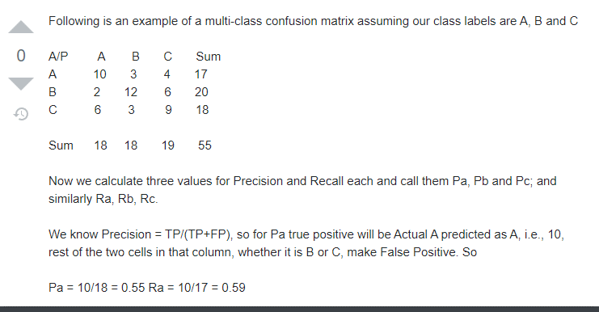
 |  | Predicted class
 |  | Yes | No
Actual Class | Yes | 6,954 | 46 | 7,000
 | No | 412 | 2,588 | 3,000
 | Total | 7,366 | 2,634 | 10,000

TP | FP | TN | FN | P+N | P | N | Total Accuracy, Recognition Rate | Error Rate, Misclassification Rate | Sensitivity, True Positive Rate, Recall | Specificity, True Negative Rate | Precision | F, F1, F-Score
6,954 | 412 | 2,588 | 46 | 10,000 | 7,000 | 3,000 | 95.42% | 4.6% | 99.3% | 86.3% | 94.41% | 96.8%

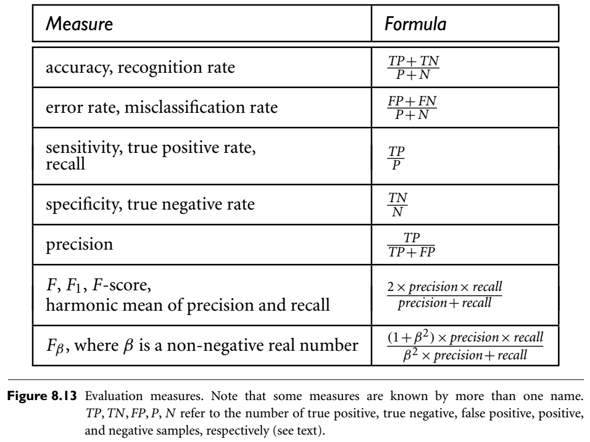

 |  |  |  |  |  |  |  |  |  | For 3x3 matrix

Attribute Types
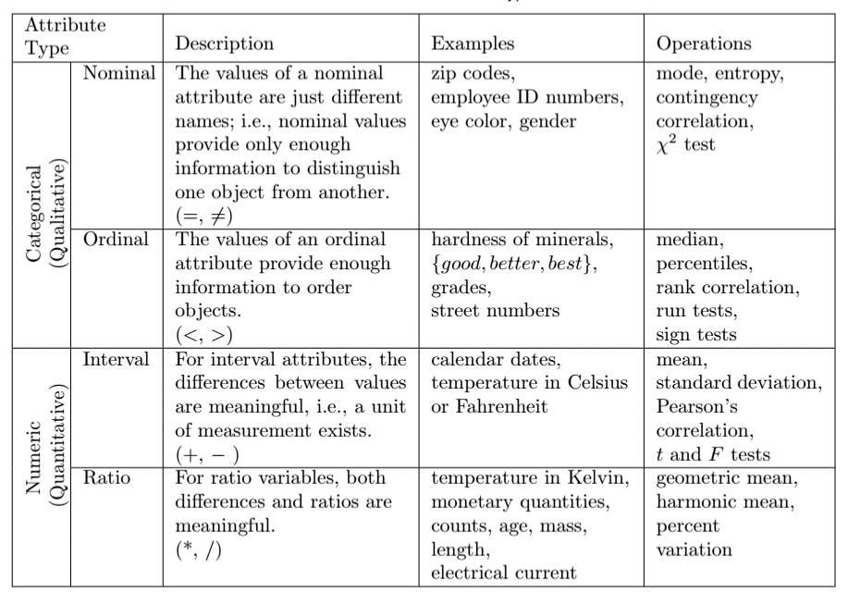
Attribute Type |  | Description | Examples | Operations
Categorical (Qualitative) | Nominal | Names, IDs =, != | Zip Code, Employee ID, Color, Gender | mode, entropy, contingency correlation, X2 test
 | Ordinal | Can be ordered but no arithmatic <, > | Grades, Street Numbers, Good/Better/Best, L/M/H | median, percentiles, rank correlation, run tests, sign tests
Numeric (Quantitative) | Interval | Difference between values is meaningful (+, -, <, >) | Calendar dates, temperature in Celsius or Fahrenheit | mean, standard deviation, Pearson's correlation, t and F tests
 | Ratio | Both differences and ratios are meaningful (*, /, +, -, <, >) | Temperature in Kelvin, monetoary quantities, counts, age, mass, length, electrical current | geometric mean, harmonic mean, percent variation

FP GROWTHG
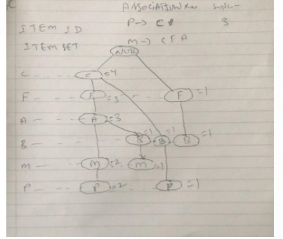
TID | Item ID | TID | Item Set | ordered Item Set | Items Reverse | Conditional Pattern Base | Conditional FP Tree | Frequent Patterns
T1 | F, A, C, D, G, I, M, P | T1 | F, A, C, D, G, I, M, P | C, F, A, M, P | P | {C, F, A, M :2}, {C, B :1} | {C : 3} | ( P , C : 3 )
T2 | A, B, C, F, L, M, O | T2 | A, B, C, F, L, M, O | C, F, A, B, M | M | {C, F, A : 2}, {C, F, A, B :1} | {C, F, A : 3} | (M, C, F, A :3), (M, C, F : 3), (M, C, A: 3), (M, F, A : 3), (M, C :3), (M, F:3), (M, A :3)
T3 | B, F, H, J, O, W | T3 | B, F, H, J, O, W | F, B | B | {C, F, A :1}, {C :1} {F :1} | {} | ()
T4 | B, C, K, S, P | T4 | B, C, K, S, P | C, B, P | A | {C, F :3} | {C,F :3} | (A, C, F :3) (A, C :3), (A, F :3)
T5 | A, F, C,E , L, P, M, N | T5 | A, F, C,E , L, P, M, N | C, F, A, M, P | F | {C :3} | {C :3} | (F,C :3)

Item | Support | 3 SET PATTERN GENERATED: (M, C, F : 3), (M, C, A: 3), (M, F, A : 3), (A, C, F :3)
C | 4 |  | Association Rule | Support Count | confidence formula | Confidence | %
F | 4 |  | M --> C, F | 3 | SUPPORT/ MAX FRQ(M) IN SET | 1 | 100
A | 3 |  | C --> M, F | 3 | SUPPORT/ MAX FRQ(C) IN SET | 0.75 | 75
B | 3 |  | F --> M, C | 3 | SUPPORT/ MAX FRQ(F) IN SET | 0.75 | 75
M | 3 |  | M --> C, A | 3 | SUPPORT/ MAX FRQ(M) IN SET | 1 | 100
P | 3 |  | C --> M, A | 3 | SUPPORT/ MAX FRQ(C) IN SET | 0.75 | 75
L | 2 |  | A --> C, M | 3 | SUPPORT/ MAX FRQ(A) IN SET | 1 | 100
O | 2 |  | M --> F, A | 3 | SUPPORT/ MAX FRQ(M) IN SET | 1 | 100
D | 1 |  | F --> M, A | 3 | SUPPORT/ MAX FRQ(F) IN SET | 0.75 | 75
E | 1 |  | A --> F, M | 3 | SUPPORT/ MAX FRQ(A) IN SET | 1 | 100
G | 1 |  | A --> C, F | 3 | SUPPORT/ MAX FRQ(A) IN SET | 1 | 100
H | 1 |  | C --> A, F | 3 | SUPPORT/ MAX FRQ(C) IN SET | 0.75 | 75
I | 1 |  | F --> C, A | 3 | SUPPORT/ MAX FRQ(F) IN SET | 0.75 | 75
J | 1
K | 1
N | 1
S | 1
W | 1

DBSCAN Outlier Detection
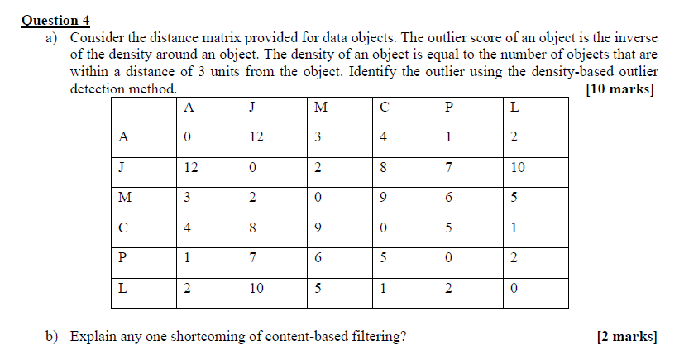
Val | X | Y | Val | 1 | 2 | 3 | 4 | 5 | 6 | 7 | 8
A1 | 2 | 10 | A1 | 0.0 | 5.0 | 8.5 | 3.6 | 7.1 | 7.2 | 8.1 | 2.2
A2 | 2 | 5 | A2 | 5.0 | 0.0 | 6.1 | 4.2 | 5.0 | 4.1 | 3.2 | 4.5
A3 | 8 | 4 | A3 | 8.5 | 6.1 | 0.0 | 5.0 | 1.4 | 2.0 | 7.3 | 6.4
A4 | 5 | 8 | A4 | 3.6 | 4.2 | 5.0 | 0.0 | 3.6 | 4.1 | 7.2 | 1.4
A5 | 7 | 5 | A5 | 7.1 | 5.0 | 1.4 | 3.6 | 0.0 | 1.4 | 6.7 | 5.0
A6 | 6 | 4 | A6 | 7.2 | 4.1 | 2.0 | 4.1 | 1.4 | 0.0 | 5.4 | 5.4
A7 | 1 | 2 | A7 | 8.1 | 3.2 | 7.3 | 7.2 | 6.7 | 5.4 | 0.0 | 7.6
A8 | 4 | 9 | A8 | 2.2 | 4.5 | 6.4 | 1.4 | 5.0 | 5.4 | 7.6 | 0.0

 |  |  | A1 | 0.0 | 5.0 | 8.5 | 3.6 | 7.1 | 7.2 | 8.1 | 2.2 | 0 | A1
 |  |  | A2 | 5.0 | 0.0 | 6.1 | 4.2 | 5.0 | 4.1 | 3.2 | 4.5 | 0 | A2
 |  |  | A3 | 8.5 | 6.1 | 0.0 | 5.0 | 1.4 | 2.0 | 7.3 | 6.4 | 2 | A3
 |  |  | A4 | 3.6 | 4.2 | 5.0 | 0.0 | 3.6 | 4.1 | 7.2 | 1.4 | 1 | A4
 |  |  | A5 | 7.1 | 5.0 | 1.4 | 3.6 | 0.0 | 1.4 | 6.7 | 5.0 | 2 | A5
 |  |  | A6 | 7.2 | 4.1 | 2.0 | 4.1 | 1.4 | 0.0 | 5.4 | 5.4 | 2 | A6
 |  |  | A7 | 8.1 | 3.2 | 7.3 | 7.2 | 6.7 | 5.4 | 0.0 | 7.6 | 0 | A7
 |  |  | A8 | 2.2 | 4.5 | 6.4 | 1.4 | 5.0 | 5.4 | 7.6 | 0.0 | 1 | A8
2 | 10
2 | 5
8 | 4
5 | 8
7 | 5
6 | 4
1 | 2
4 | 9

